Step 2 Task 3.6
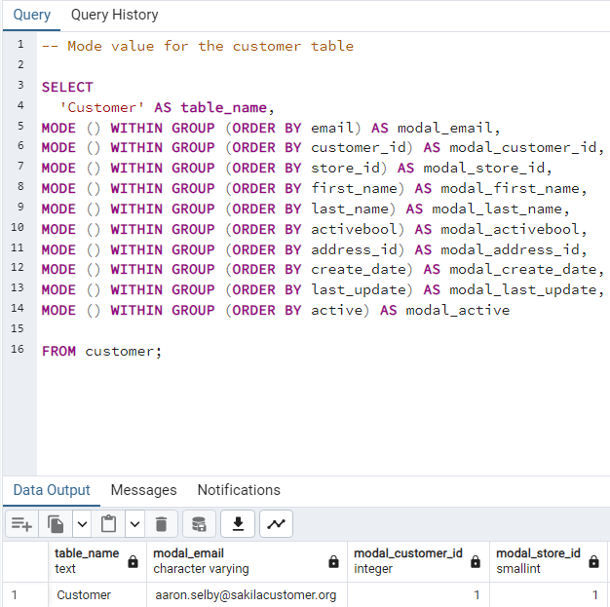
FILM Table Output and Query
table_name | min_length | max_length | avg_length | min_rental_rate | max_rental_rate | avg_rental_rate | min_release_year | max_release_year | avg_release_year | min_rental_duration | max_rental_duration | avg_rental_duration | min_replacement_cost | max_replacement_cost | avg_replacement_cost | mode_rating
Film | 46 | 185 | 115.272 | 0.99 | 4.99 | 2.98 | 2006 | 2006 | 2006 | 3 | 7 | 4.985 | 9.99 | 29.99 | 19.984 | PG-13

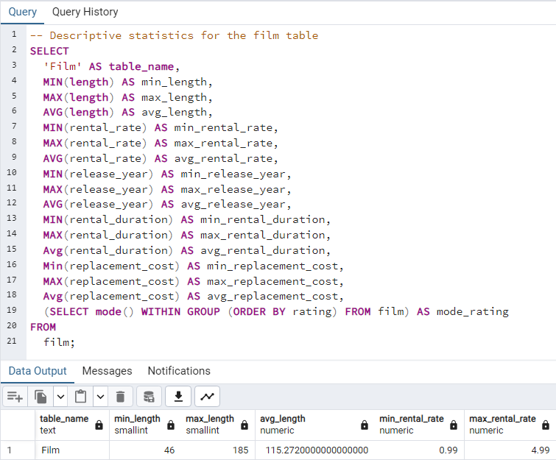

CUSTOMER Table Output & Query
table_name | modal_email | modal_customer_id | modal_store_id | modal_first_name | modal_last_name | modal_activebool | modal_address_id | modal_create_date | modal_last_update | modal_active
Customer | aaron.selby@sakilacustomer.org | 1 | 1 | Jamie | Abney | TRUE | 5 | 2006-02-14 | 2013-05-26 14:49:45 | 1

Steps 1-3 Task 3.7
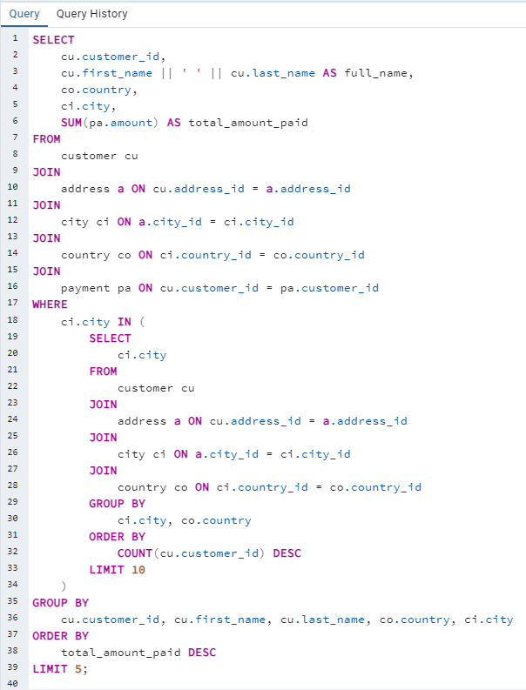
Step 1 Task 3.7: Query to find the top 10 countries for Rockbuster in terms of customer numbers | Step 2 Task 3.7: Query to identify the top 10 cities that fall within the top 10 countries | Step 3 Task 3.7: Query to find the top 5 customers from the top
SELECT co.country, COUNT(cu.customer_id) AS number_of_customers | SELECT ci.city, co.country, COUNT(cu.customer_id) AS number_of_customers | 10 cities who’ve paid the highest total amounts to Rockbuster
FROM customer cu | FROM customer cu
JOIN address a ON cu.address_id = a.address_id | JOIN address a ON cu.address_id = a.address_id | SELECT
JOIN city ci ON a.city_id = ci.city_id | JOIN city ci ON a.city_id = ci.city_id | cu.customer_id,
JOIN country co ON ci.country_id = co.country_id | JOIN country co ON ci.country_id = co.country_id | cu.first_name || ' ' || cu.last_name AS full_name,
GROUP BY co.country | WHERE ci.country_id IN ( | co.country,
ORDER BY number_of_customers DESC | SELECT ci.country_id | ci.city,
LIMIT 10; | FROM customer cu | SUM(pa.amount) AS total_amount_paid
 | JOIN address a ON cu.address_id = a.address_id | FROM
 | JOIN city ci ON a.city_id = ci.city_id | customer cu
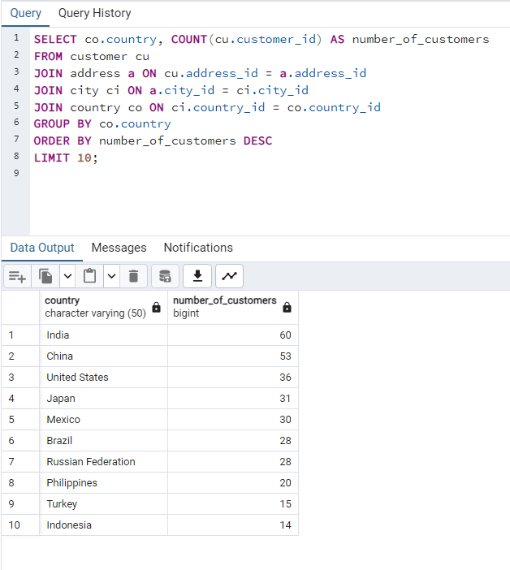
 | JOIN country co ON ci.country_id = co.country_id | JOIN
 | GROUP BY ci.country_id | address a ON cu.address_id = a.address_id
 | ORDER BY COUNT(cu.customer_id) DESC | JOIN
 | LIMIT 10 | city ci ON a.city_id = ci.city_id
 | ) | JOIN
 | GROUP BY ci.city, co.country | country co ON ci.country_id = co.country_id
 | ORDER BY number_of_customers DESC | JOIN
 | LIMIT 10; | payment pa ON cu.customer_id = pa.customer_id
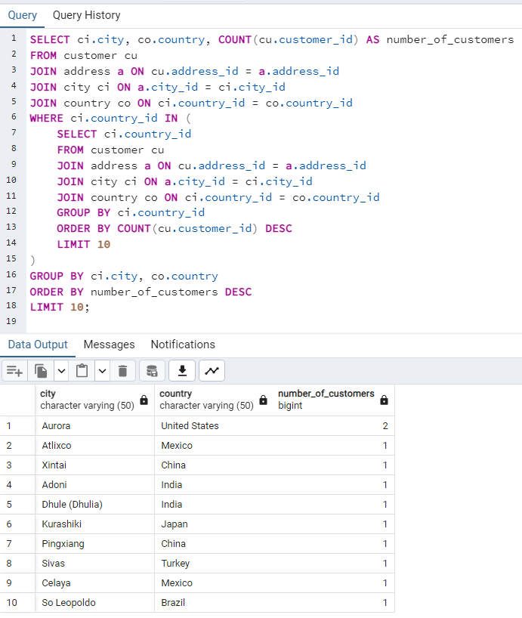
 |  | WHERE
 |  | ci.city IN (
 |  | SELECT
 |  | ci.city
 |  | FROM
 |  | customer cu
 |  | JOIN
 |  | address a ON cu.address_id = a.address_id
 |  | JOIN
 |  | city ci ON a.city_id = ci.city_id
 |  | JOIN
 |  | country co ON ci.country_id = co.country_id
 |  | GROUP BY
 |  | ci.city, co.country
 |  | ORDER BY
 |  | COUNT(cu.customer_id) DESC
 |  | LIMIT 10
 |  | )
 |  | GROUP BY
 |  | cu.customer_id, cu.first_name, cu.last_name, co.country, ci.city
 |  | ORDER BY
 |  | total_amount_paid DESC
 |  | LIMIT 5;

Performance Analysis
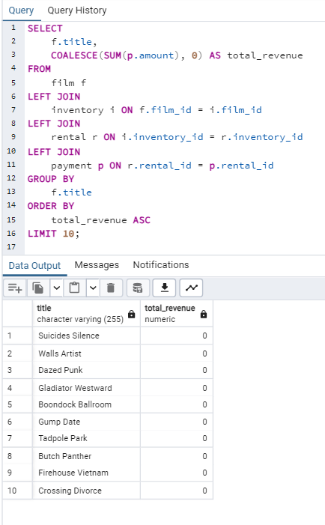
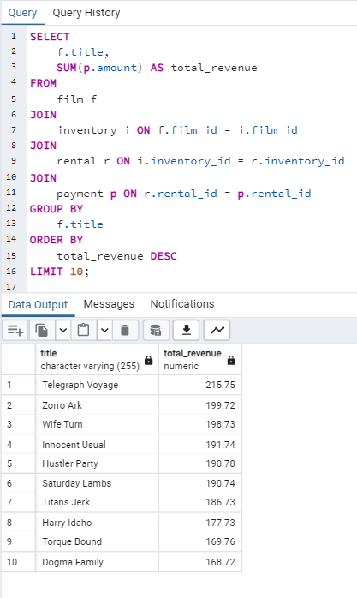
Query to identify top 10 performing movies |  | Query to identify the 10 underperforming movies |  | Query to determine how often each title is rented and the total revenue it generates |  | Query to indentify how different genres perform |  | Query to look at how rental terms correlate with performance
 | SELECT |  | SELECT |  | SELECT f.title, COUNT(r.rental_id) AS rental_count, SUM(p.amount) AS total_revenue |  | SELECT c.name AS genre, COUNT(r.rental_id) AS rental_count, SUM(p.amount) AS total_revenue |  | SELECT f.title, f.rental_duration, f.rental_rate, COUNT(r.rental_id) AS rental_count, SUM(p.amount) AS total_revenue
 | f.title, |  | f.title, |  | FROM film f |  | FROM category c |  | FROM film f
 | SUM(p.amount) AS total_revenue |  | COALESCE(SUM(p.amount), 0) AS total_revenue |  | JOIN inventory i ON f.film_id = i.film_id |  | JOIN film_category fc ON c.category_id = fc.category_id |  | JOIN inventory i ON f.film_id = i.film_id
 | FROM |  | FROM |  | JOIN rental r ON i.inventory_id = r.inventory_id |  | JOIN film f ON fc.film_id = f.film_id |  | JOIN rental r ON i.inventory_id = r.inventory_id
 | film f |  | film f |  | JOIN payment p ON r.rental_id = p.rental_id |  | JOIN inventory i ON f.film_id = i.film_id |  | JOIN payment p ON r.rental_id = p.rental_id
 | JOIN |  | LEFT JOIN |  | GROUP BY f.title |  | JOIN rental r ON i.inventory_id = r.inventory_id |  | GROUP BY f.title, f.rental_duration, f.rental_rate
 | inventory i ON f.film_id = i.film_id |  | inventory i ON f.film_id = i.film_id |  | ORDER BY total_revenue DESC; |  | JOIN payment p ON r.rental_id = p.rental_id |  | ORDER BY total_revenue DESC;
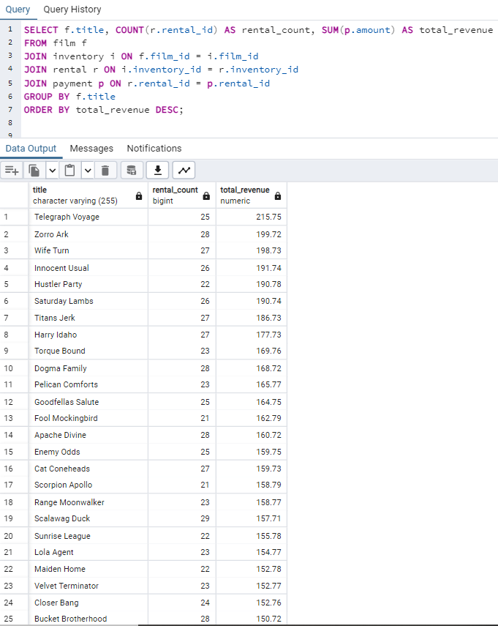
 | JOIN |  | LEFT JOIN |  |  |  | GROUP BY c.name
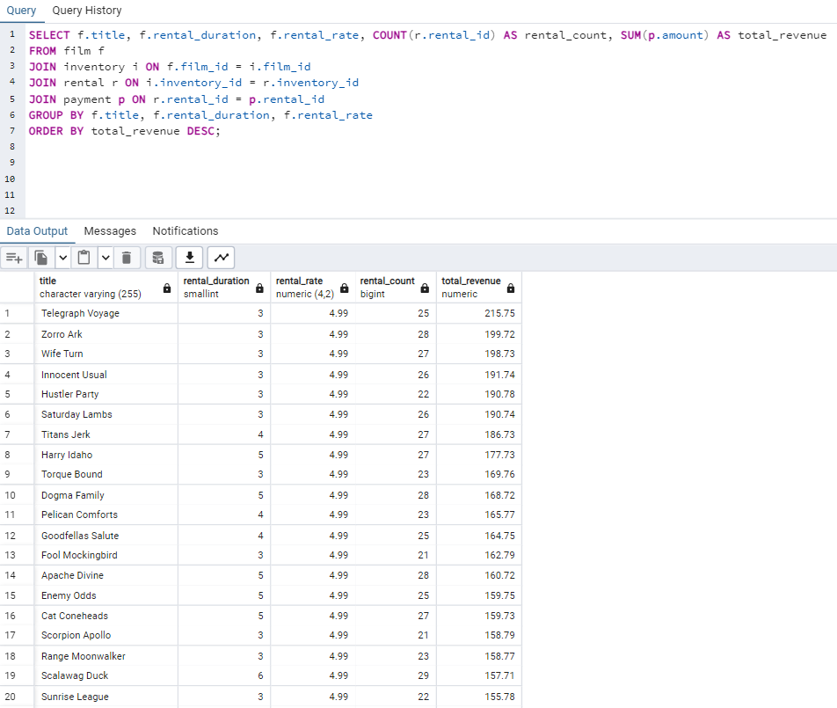
 | rental r ON i.inventory_id = r.inventory_id |  | rental r ON i.inventory_id = r.inventory_id |  |  |  | ORDER BY total_revenue DESC;
 | JOIN |  | LEFT JOIN
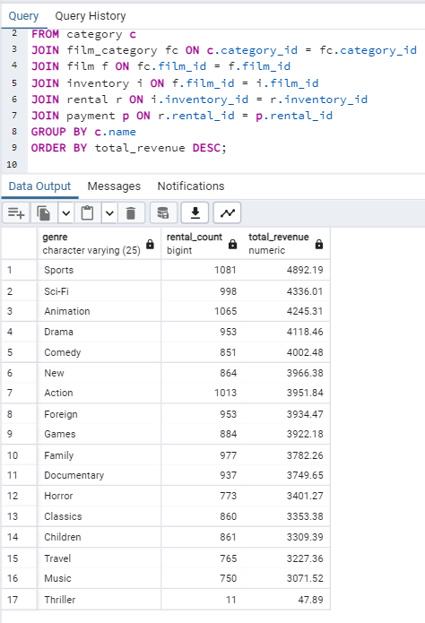
 | payment p ON r.rental_id = p.rental_id |  | payment p ON r.rental_id = p.rental_id
 | GROUP BY |  | GROUP BY
 | f.title |  | f.title
 | ORDER BY |  | ORDER BY
 | total_revenue DESC |  | total_revenue ASC
 | LIMIT 10; |  | LIMIT 10;

Customer Behavior
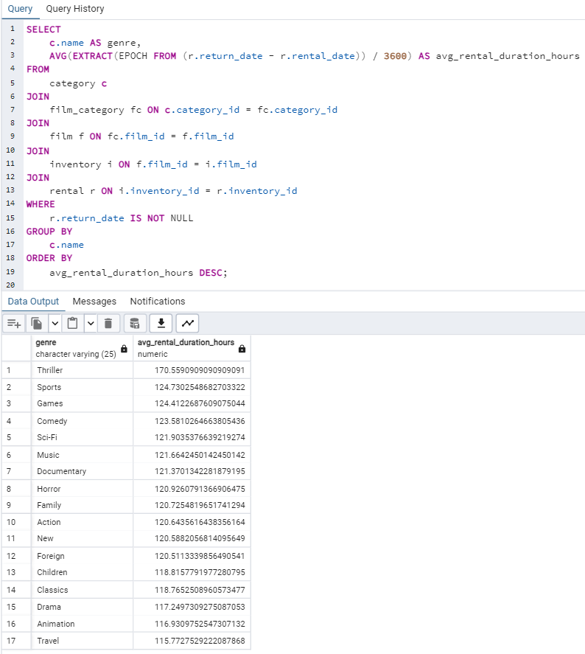
Query to find how rental durations correlate with movie genres
 | SELECT
 | c.name AS genre,
 | AVG(EXTRACT(EPOCH FROM (r.return_date - r.rental_date)) / 3600) AS avg_rental_duration_hours
 | FROM
 | category c
 | JOIN
 | film_category fc ON c.category_id = fc.category_id
 | JOIN
 | film f ON fc.film_id = f.film_id
 | JOIN
 | inventory i ON f.film_id = i.film_id
 | JOIN
 | rental r ON i.inventory_id = r.inventory_id
 | WHERE
 | r.return_date IS NOT NULL
 | GROUP BY
 | c.name
 | ORDER BY
 | avg_rental_duration_hours DESC;

